Introduction
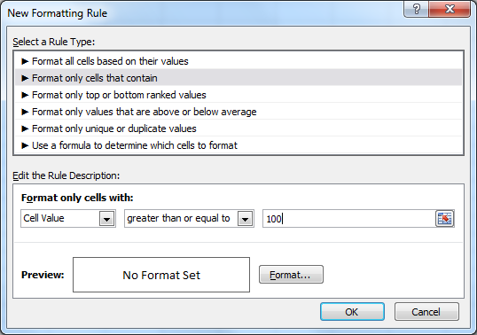
Format Cells Based on Some Conditions

How To do Conditional Formatting For One or More Columns Only

Step 1: Highlight The Cells Step 2: Click on -- Home -- Conditional Formatting -- Manage Rule Step 3 : Select -- New Rule -- Select Seond Option ( Format Only Cells That Contains) Step 4: Select The Required Rule -- Greater Than or Equal To -- Less Then Step 5: Specify the Value ( Example : 100 or 5000) Step 6: Click on Format -- select Font or Fill --- Pick the Color - Ok -- Apply -- Ok

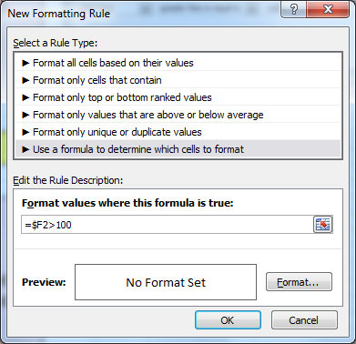
How To do Conditional Formatting For Entire Row Based on a Cell Value

Step 1: Highlight The Full Range ( Except the Title Row or Column Headings) Step 2: Click on -- Home -- Conditional Formatting -- Manage Rule. Step 3 :New Rule -- Select Last ( Use a Formula To Determine Which Cells To Format) Step 4: Type the Formula By Locking the Column ( Example $F2>100 OR $E2>5000) Step 5: Click on Format -- select Font or Fill --- Pick the Color - Ok -- Apply -- Ok

FormulaTo Format With Range -- Example ( [Above 10000 -- Green -- =$E2>10000] [ Between 5000-10000 -- Blue --- =AND($E2>10000,$E2<5000) ] [ Below 5000 --- Red -- =$E2<5000)

Formula To Highlight Weekdays ( Friday -- Weekday($A2=6) ( Saturday -- Weekday($A2=7)

